Block diagram
will count till 60 as sec range is 0-59
data divide to 10 for separate degimal to digit for 7 segment display
select source either from clock source or from push button as source for second converter edge detection
for function adjust sec
slide switch as source slector
Display

Took 50Mhz clock and generate to 1Hz so, every 1sec will toggle 1 times
development board have 50MHz clock source

slide switch[1]

slide switch[0]
sec converter
/10
7 segment
S2

WireSec
InSecHi

rst

src
Src selector
2in
1out
slide switch[2]
Src gen

secsrc

%10
7 segment
S1
Push
button[1]

Clock
InSecLo

slide switch[0][1][2]
selector to adjust and synchronize counter value

sel

data modulos to 10 for getting the remainder to separate degimal to digit for 7 segment display

will count till 60 as minute range is 0-59

minute converter
/10
7 segment
M2

WireMin
InMinHi

Src selector
2in
1out
clkc pulse for 1sec

minsrc

%10
7 segment
M1
Push
button[1]

InMinLo

sel
slide switch[0][1][2]
selector to adjust and synchronize counter value

will count till 24 as minute range is 0-23

hour converter
/10
7 segment
H2

WireHour
InHrHi

clkc pulse for 1sec
Src selector
2in
1out

hoursrc

%10
7 segment
H1
Push
button[1]

InHrLo

sel

slide switch[0][1][2]
selector to adjust and synchronize counter value

switch
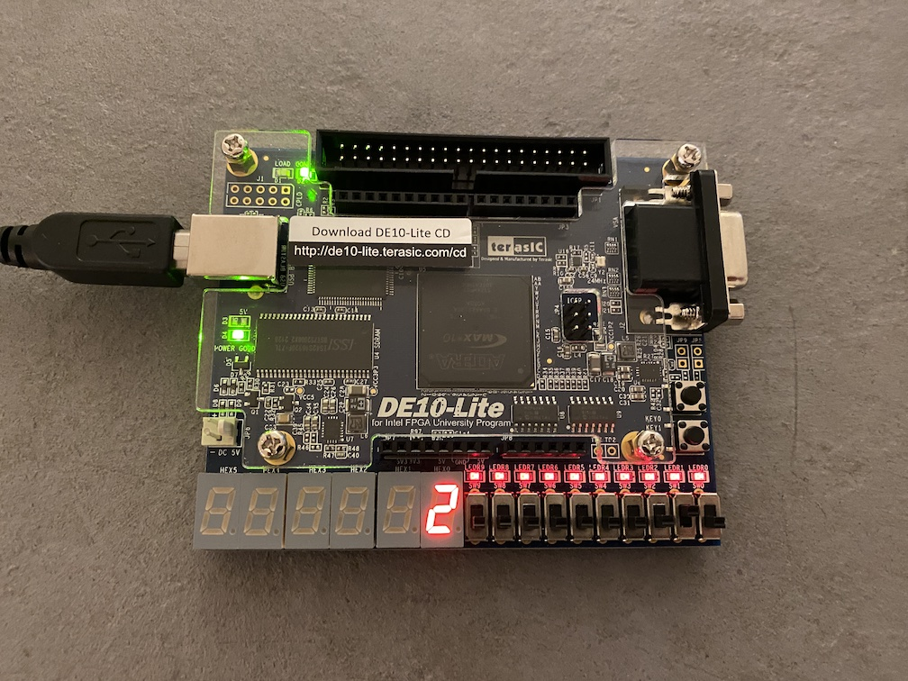

2 | 8

Slide switch [2] - left
Slide switch [1] - middle
Slide switch [0] - right
Push button [1]
Slide switch[2] + Push button [1] = Hour increament by 1
Slide switch[1] + Push button [1] = minute increament by 1
Slide switch[0] + Push button [1] = second reset to 0
clock will start run when all slide switch is off state

Slide switch |  |  | Result
2 | 1 | 0
0 | 0 | 0 | clock run
0 | 0 | 1 | Hour remain | min remain | sec set 0
0 | 1 | 0 | Hour remain | min + 1 | sec remain
0 | 1 | 1 | Hour remain | min + 1 | sec set 0
1 | 0 | 0 | hour + 1 | min remain | sec remain
1 | 0 | 1 | hour + 1 | min remain | sec set 0
1 | 1 | 0 | hour + 1 | min + 1 | sec remain
1 | 1 | 1 | hour + 1 | min + 1 | sec set 0

